Sheet1
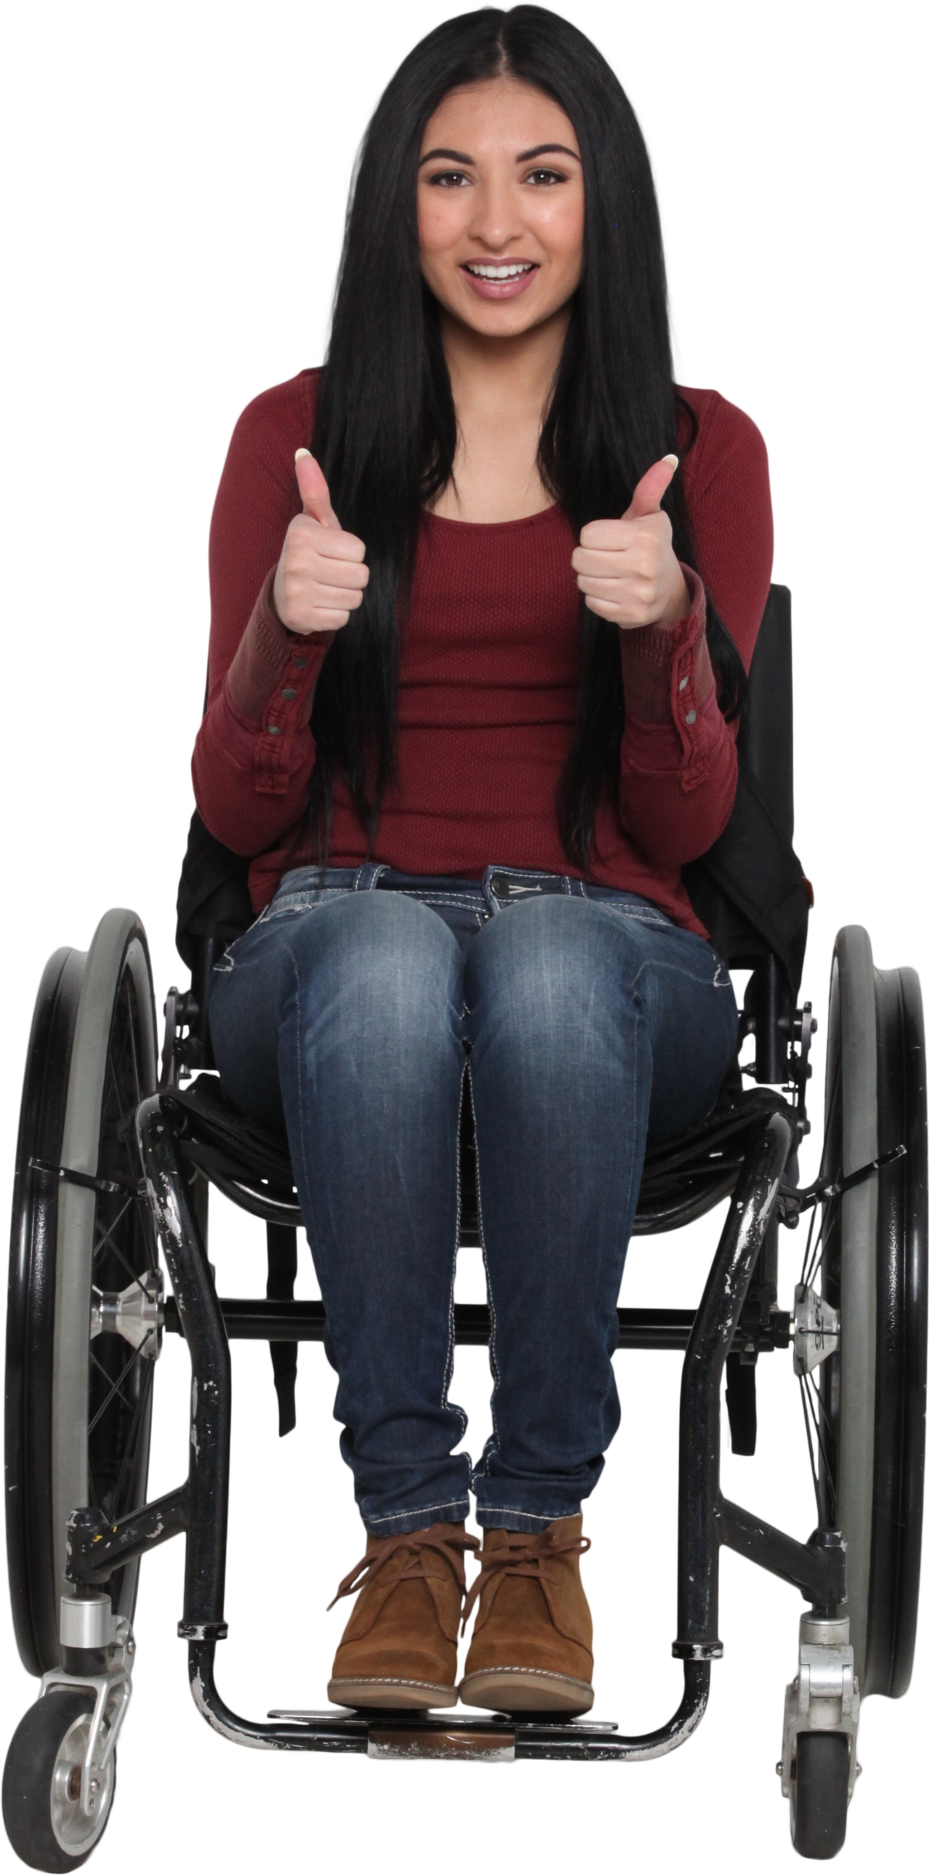
C1 | C2 | C3 | C4 | C5 | C6 | C1 | C2 | C3 | C4 | C5 | C6
930 | 493 |  | 986 | 418 |  | 930 | 493 | 493 | 986 | 418 | 418
11 |  | 880 | 315 | 506 | 724 | 11 | 11 | 880 | 315 | 506 | 724
 | 172 | 963 | 472 |  |  |  | 172 | 963 | 472 | 472 | 472
73 | 122 | 6 | 992 | 242 | 223 | 73 | 122 | 6 | 992 | 242 | 223
35 |  |  |  |  |  | 35 | 35 | 35 | 35 | 35 | 35
 |  |  | 482 | 136 | 941 |  |  |  | 482 | 136 | 941

217 |  | 846 |  | 10 |  | 217 | 217 | 846 | 846 | 10 | 10
864 | 555 |  |  | 601 |  | 864 | 555 | 555 | 555 | 601 | 601

Fill in the grid with the immediate non-blank value on the left.

Sheet2
 |  |  |  |  |  | Answer Expected
930 | 493 |  | 986 | 418 |  | 930 | 493 | 493 | 986 | 418 | 493
11 |  | 880 | 315 | 506 | 724 | 11 | 11 | 880 | 315 | 506 | 724
 | 172 | 964 | 472 |  |  | 315 | 172 | 964 | 472 | 315 | 315
73 | 122 | 6 | 992 | 242 | 223 | 73 | 122 | 6 | 992 | 242 | 223
35 |  |  |  |  |  | 35 | 35 | 35 | 35 | 35 | 35
 |  |  | 482 | 136 | 941 | 35 | 35 | 35 | 482 | 136 | 941
 |  |  |  |  |  | 941 | 941 | 941 | 941 | 941 | 941
217 |  | 846 |  | 10 |  | 217 | 217 | 846 | 217 | 10 | 217
864 |  |  |  | 601 |  | 864 | 556 | 217 | 217 | 601 | 601

Traversing the grid from left to right, fill in a cell from immediate past odd number.

